Bug Report
Requirement ID | Test case ID | Defect_ID | Defect Title/Issue | Pre-condition | Steps | Test Data | Expected Result | Actual Result | Attachment | Priority | Probability | Severity | Categorization
Req_Registration_US1 | TC_002 | Bug_ParaBank_01 | Verify Error When First Name Contains Numbers | 1. connect to internet network connection 2. open chrome 3. open parabank website 4. website opens on login page 5. click registeration button 6. registeration page is opened | 1. Open the registration page. 2. Enter a First Name with numbers. 3. Enter valid data for other fields. 4. Click "Register." | First Name: "Zeyad123" Last Name: "Ahmed" Address: "244 New Cairo" City: "Cairo" State: "Cairo" Zip Code: "47771" Phone: "01009042154" SSN: "123456789" Username: "zeyad123" Password: "Zeyad@123" Confirm Password: "Zeyad@123"; | An error occurs, and registration fails. | 1-successfully registration 2-Go to the next page |  | HIGH | HIGH | MED | INPUT Validation
Req_Registration_US1 | TC_003 | Bug_ParaBank_02 | Verify Error When First Name Contains Special Characters | 1. connect to internet network connection 2. open chrome 3. open parabank website 4. website opens on login page 5. click registeration button 6. registeration page is opened | 1. Open the registration page. 2. Enter a First Name with special characters. 3. Enter valid data for other fields. 4. Click "Register." | First Name: "Zeyad@" Last Name: "Ahmed" Address: "244 New Cairo" City: "Cairo" State: "Cairo" Zip Code: "47771" Phone: "01009042154" SSN: "123456789" Username: "zeyad1234" Password: "Zeyad@123" Confirm Password: "Zeyad@123" | An error occurs, and registration fails. | 1-successfully registration 2-Go to the next page" | 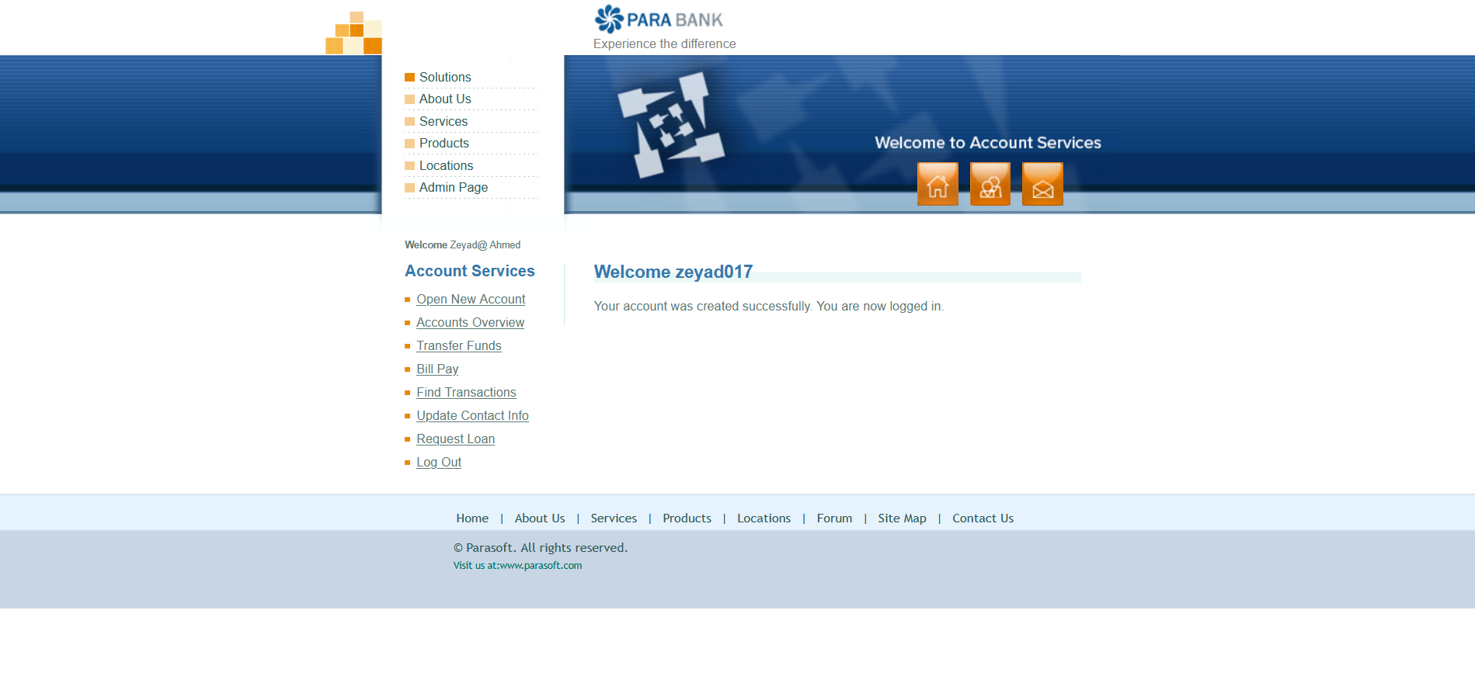 | HIGH | HIGH | MED | INPUT Validation
Req_Registration_US1 | TC_004 | Bug_ParaBank_03 | Verify Error When First Name Exceeds Maximum Length | 1. connect to internet network connection 2. open chrome 3. open parabank website 4. website opens on login page 5. click registeration button 6. registeration page is opened | 1. Open the registration page. 2. Enter a First Name longer than 50 characters. 3. Enter valid data for other fields. 4. Click "Register." | First Name: "ZeyadZeyadZeyadZeyadZeyadZeyadZeyadZeyadZeyadZeyad" Last Name: "Ahmed" Address: "244 New Cairo" City: "Cairo" State: "Cairo" Zip Code: "47771" Phone: "01009042154" SSN: "123456789" Username: "zeyad123" Password: "Zeyad@123" Confirm Password: "Zeyad@123" | An error occurs, and registration fails. | 1-show message error "This username already exists". 2-registration failed" | 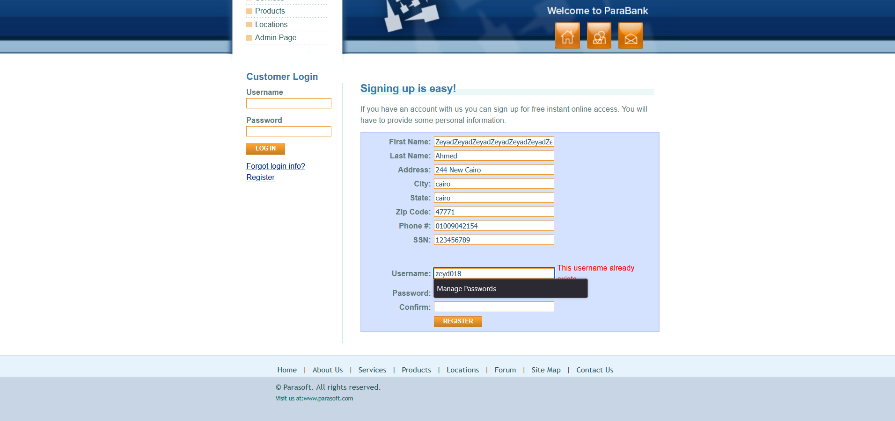 | MED | MED | LOW | INPUT Length
Req_Registration_US1 | TC_006 | Bug_ParaBank_04 | Verify Error When Last Name Contains Numbers | 1. connect to internet network connection 2. open chrome 3. open parabank website 4. website opens on login page 5. click registeration button 6. registeration page is opened | 1. Open the registration page. 2. Enter a Last Name with numbers (e.g., "Ahmed123"). 3. Enter valid data for other fields. 4. Click "Register." | First Name: "Zeyad" Last Name: "Ahmed123" Address: "244 New Cairo" City: "Cairo" State: "Cairo" Zip Code: "47771" Phone: "01009042154" SSN: "123456789" Username: "zeyad123" Password: "Zeyad@123" Confirm Password: "Zeyad@123" | An error occurs, and registration fails. | 1-successfully registration 2-Go to the next page |  | HIGH | HIGH | MED | INPUT Validation
Req_Registration_US1 | TC_007 | Bug_ParaBank_05 | Verify Error When Last Name Contains Special Characters | 1. connect to internet network connection 2. open chrome 3. open parabank website 4. website opens on login page 5. click registeration button 6. registeration page is opened | 1. Open the registration page. 2. Enter a Last Name with special characters . 3. Enter valid data for other fields. 4. Click "Register." | First Name: "Zeyad" Last Name: "Ahmed@" Address: "244 New Cairo" City: "Cairo" State: "Cairo" Zip Code: "47771" Phone: "01009042154" SSN: "123456789" Username: "zeyad123" Password: "Zeyad@123" Confirm Password: "Zeyad@123" | An error occurs, and registration fails. | 1-successfully registration 2-Go to the next page |  | HIGH | HIGH | MED | INPUT Validation
Req_Registration_US1 | TC_008 | Bug_ParaBank_06 | Verify Error When Last Name Exceeds Maximum Length | 1. connect to internet network connection 2. open chrome 3. open parabank website 4. website opens on login page 5. click registeration button 6. registeration page is opened | 1. Open the registration page. 2. Enter a Last Name longer than 50 characters. 3. Enter valid data for other fields. 4. Click "Register." | First Name: "Zeyad" Last Name: "AhmedAhmedAhmedAhmedAhmedAhmedAhmedAhmedAhmedAhmed" Address: "244 New Cairo" City: "Cairo" State: "Cairo" Zip Code: "47771" Phone: "01009042154" SSN: "123456789" Username: "zeyad123" Password: "Zeyad@123" Confirm Password: "Zeyad@123" | An error occurs, and registration fails. | 1-show message error "This username already exists.". 2-registration failed | 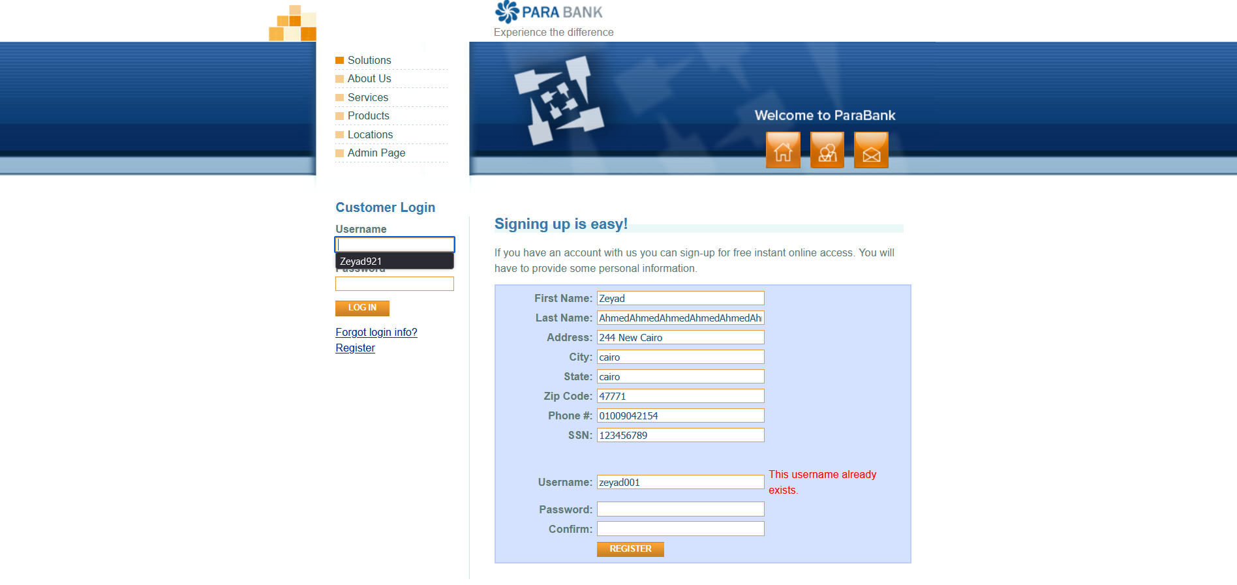 | MED | LOW | LOW | INPUT Validation
Req_Registration_US1 | TC_010 | Bug_ParaBank_07 | Verify Error When Address Exceeds Maximum Length | 1. connect to internet network connection 2. open chrome 3. open parabank website 4. website opens on login page 5. click registeration button 6. registeration page is opened | 1. Open the registration page. 2. Enter an Address longer than 100 characters. 3. Enter valid data for other fields. 4. Click "Register." | First Name: "Zeyad" Last Name: "Ahmed" Address: "244 New Cairo 244 New Cairo 244 New Cairo 244 New Cairo 244 New Cairo 244 New Cairo 244 New Cairo" City: "Cairo" State: "Cairo" Zip Code: "47771" Phone: "01009042154" SSN: "123456789" Username: "zeyad123" Password: "Zeyad@123" Confirm Password: "Zeyad@123" | An error occurs, and registration fails. | 1-show message error " This username already exists.". 2-registration failed | 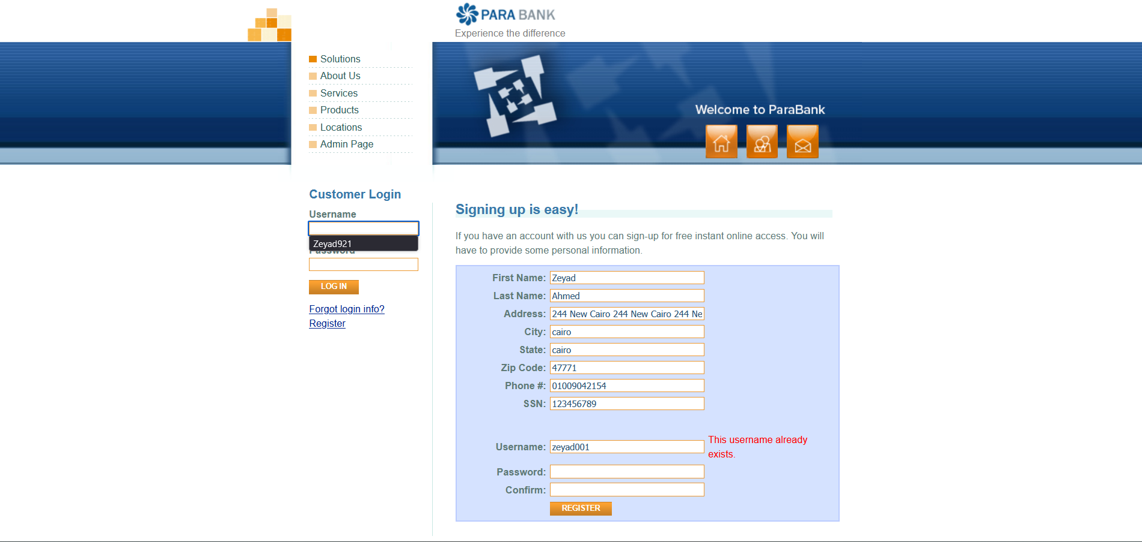 | MED | LOW | LOW | INPUT Validation
Req_Registration_US1 | TC_012 | Bug_ParaBank_08 | Verify Error When City Exceeds Maximum Length | 1. connect to internet network connection 2. open chrome 3. open parabank website 4. website opens on login page 5. click registeration button 6. registeration page is opened | 1. Open the registration page. 2. Enter a City longer than 100 characters. 3. Enter valid data for other fields. 4. Click "Register." | First Name: "Zeyad" Last Name: "Ahmed" Address: "244 New Cairo" City: "CairoCairoCairoCairoCairoCairoCairoCairoCairoCairoCairoCairoCairoCairoCairoCairoCairoCairoCairoCairo" State: "Cairo" Zip Code: "47771" Phone: "01009042154" SSN: "123456789" Username: "zeyad123" Password: "Zeyad@123" Confirm Password: "Zeyad@123" | An error occurs, and registration fails. | 1-show message error "This username already exists.". 2-registration failed | 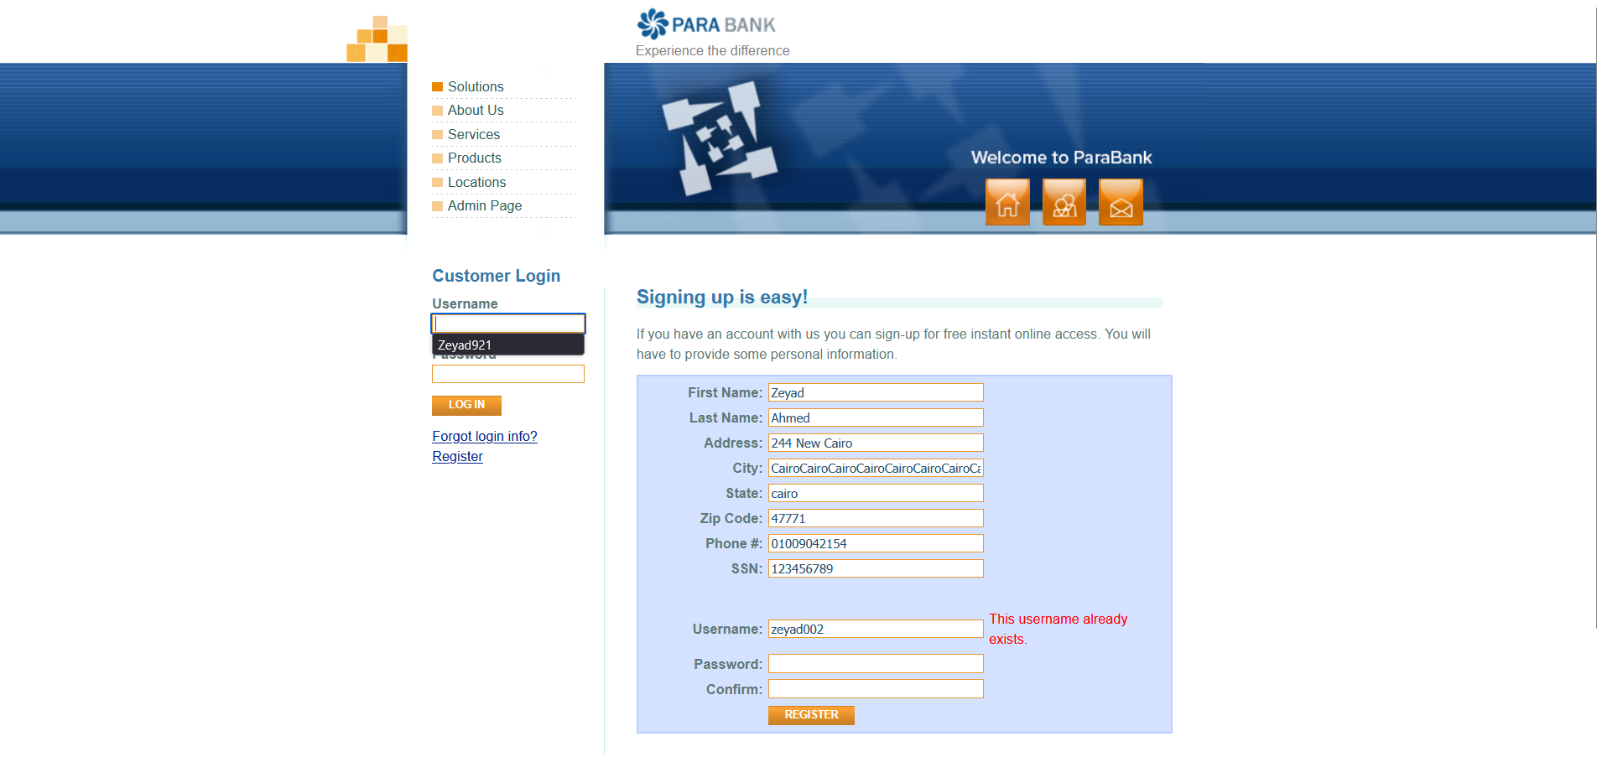 | MED | LOW | LOW | INPUT Validation
Req_Registration_US1 | TC_013 | Bug_ParaBank_09 | Verify Error When State Contains Numbers | 1. connect to internet network connection 2. open chrome 3. open parabank website 4. website opens on login page 5. click registeration button 6. registeration page is opened | 1. Open the registration page.<br> 2. Enter a State with numbers . 3. Enter valid data for other fields. 4. Click "Register." | First Name: "Zeyad" Last Name: "Ahmed" Address: "244 New Cairo" City: "Cairo" State: "Cairo123" Zip Code: "47771" Phone: "01009042154" SSN: "123456789" Username: "zeyad123" Password: "Zeyad@123" Confirm Password: "Zeyad@123" | An error occurs, and registration fails. | 1-successfully registration 2-Go to the next page |  | HIGH | MED | MED | INPUT Validation
Req_Registration_US1 | TC_014 | Bug_ParaBank_10 | Verify Error When State Contains Special Characters | 1. connect to internet network connection 2. open chrome 3. open parabank website 4. website opens on login page 5. click registeration button 6. registeration page is opened | 1. Open the registration page. 2. Enter a State with special characters . 3. Enter valid data for other fields. 4. Click "Register." | First Name: "Zeyad" Last Name: "Ahmed" Address: "244 New Cairo" City: "Cairo" State: "Cairo@" Zip Code: "47771" Phone: "01009042154" SSN: "123456789" Username: "zeyad123" Password: "Zeyad@123" Confirm Password: "Zeyad@123" | An error occurs, and registration fails. | 1-successfully registration 2-Go to the next page | 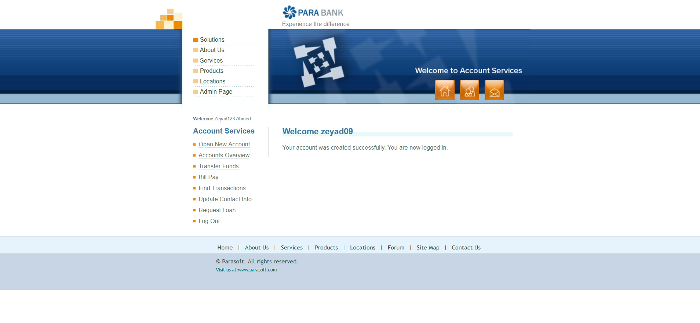 | HIGH | MED | MED | INPUT Validation
Req_Registration_US1 | TC_016 | Bug_ParaBank_11 | Verify Error When ZIP Code Contains Letters | 1. connect to internet network connection 2. open chrome 3. open parabank website 4. website opens on login page 5. click registeration button 6. registeration page is opened | 1. Open the registration page. 2. Enter a ZIP Code with letters . 3. Enter valid data for other fields. 4. Click "Register." | First Name: "Zeyad" Last Name: "Ahmed" Address: "244 New Cairo" City: "Cairo" State: "Cairo" Zip Code: "4777A" Phone: "01009042154" SSN: "123456789" Username: "zeyad123" Password: "Zeyad@123" Confirm Password: "Zeyad@123" | An error occurs, and registration fails. | 1-successfully registration 2-Go to the next page |  | HIGH | MED | MED | INPUT Validation
Req_Registration_US1 | TC_017 | Bug_ParaBank_12 | Verify Error When ZIP Code Contains Special Characters | 1. connect to internet network connection 2. open chrome 3. open parabank website 4. website opens on login page 5. click registeration button 6. registeration page is opened | 1. Open the registration page. 2. Enter a ZIP Code with special characters . 3. Enter valid data for other fields. 4. Click "Register." | First Name: "Zeyad" Last Name: "Ahmed" Address: "244 New Cairo" City: "Cairo" State: "Cairo" Zip Code: "4777@" Phone: "01009042154" SSN: "123456789" Username: "zeyad123" Password: "Zeyad@123" Confirm Password: "Zeyad@123" | An error occurs, and registration fails. | 1-successfully registration 2-Go to the next page |  | HIGH | MED | MED | INPUT Validation
Req_Registration_US1 | TC_018 | Bug_ParaBank_13 | Verify Error When ZIP Code Is Less Than 5 Digits | 1. connect to internet network connection 2. open chrome 3. open parabank website 4. website opens on login page 5. click registeration button 6. registeration page is opened | 1. Open the registration page. 2. Enter a ZIP Code shorter than 5 digits. 3. Enter valid data for other fields. 4. Click "Register." | First Name: "Zeyad" Last Name: "Ahmed" Address: "244 New Cairo" City: "Cairo" State: "Cairo" Zip Code: "4777" Phone: "01009042154" SSN: "123456789" Username: "zeyad123" Password: "Zeyad@123" Confirm Password: "Zeyad@123" | An error occurs, and registration fails. | 1-successfully registration 2-Go to the next page |  | HIGH | LOW | LOW | INPUT Validation
Req_Registration_US1 | TC_019 | Bug_ParaBank_14 | Verify Error When ZIP Code Exceeds 10 Digits | 1. connect to internet network connection 2. open chrome 3. open parabank website 4. website opens on login page 5. click registeration button 6. registeration page is opened | 1. Open the registration page. 2. Enter a ZIP Code longer than 10 digits . 3. Enter valid data for other fields. 4. Click "Register." | First Name: "Zeyad" Last Name: "Ahmed" Address: "244 New Cairo" City: "Cairo" State: "Cairo" Zip Code: "47771123456" Phone: "01009042154" SSN: "123456789" Username: "zeyad123" Password: "Zeyad@123" Confirm Password: "Zeyad@123" | An error occurs, and registration fails. | 1-successfully registration 2-Go to the next page |  | MED | MED | MED | INPUT Validation
Req_Registration_US1 | TC_020 | Bug_ParaBank_15 | Verify Error When Phone Field Is Left Blank During Registration | 1. connect to internet network connection 2. open chrome 3. open parabank website 4. website opens on login page 5. click registeration button 6. registeration page is opened | 1. Open the registration page. 2. Leave the Phone field blank. 3. Enter valid data for other fields. 4. Click "Register." | First Name: "Zeyad" Last Name: "Ahmed" Address: "244 New Cairo" City: "Cairo" State:"Cairo" <br>Zip Code: "47771" Phone: "" SSN: "123456789" Username: "zeyad123" Password: "Zeyad@123" Confirm Password: "Zeyad@123" | An error occurs, and registration fails. | 1-successfully registration 2-Go to the next page |  | MED | MED | MED | INPUT Validation
Req_Registration_US1 | TC_021 | Bug_ParaBank_16 | Verify Error When Phone Contains Letters | 1. connect to internet network connection 2. open chrome 3. open parabank website 4. website opens on login page 5. click registeration button 6. registeration page is opened | 1. Open the registration page. 2. Enter a Phone number with letters . 3. Enter valid data for other fields. 4. Click "Register." | First Name: "Zeyad" Last Name: "Ahmed" Address: "244 New Cairo" City: "Cairo" State: "Cairo" Zip Code: "47771" Phone: "0100A042154" SSN: "123456789" Username: "zeyad123" Password: "Zeyad@123" Confirm Password: "Zeyad@123" | An error occurs, and registration fails. | 1-successfully registration 2-Go to the next page |  | MED | MED | MED | INPUT Validation
Req_Registration_US1 | TC_022 | Bug_ParaBank_17 | Verify Error When Phone Contains Special Characters | 1. connect to internet network connection 2. open chrome 3. open parabank website 4. website opens on login page 5. click registeration button 6. registeration page is opened | 1. Open the registration page. 2. Enter a Phone number with special characters . 3. Enter valid data for other fields. 4. Click "Register." | First Name: "Zeyad" Last Name: "Ahmed" Address: "244 New Cairo" City: "Cairo" State: "Cairo" Zip Code: "47771" Phone: "0100@042154" SSN: "123456789" Username: "zeyad123" Password: "Zeyad@123" Confirm Password: "Zeyad@123" | An error occurs, and registration fails. | 1-successfully registration 2-Go to the next page |  | HIGH | MED | MED | INPUT Validation
Req_Registration_US1 | TC_023 | Bug_ParaBank_18 | Verify Error When Phone Is Shorter Than 10 Digits | 1. connect to internet network connection 2. open chrome 3. open parabank website 4. website opens on login page 5. click registeration button 6. registeration page is opened | 1. Open the registration page. 2. Enter a Phone number shorter than 10 digits . 3. Enter valid data for other fields. 4. Click "Register." | First Name: "Zeyad" Last Name: "Ahmed" Address: "244 New Cairo" City: "Cairo" State: "Cairo" Zip Code: "47771" Phone: "01000421" SSN: "123456789" Username: "zeyad123" Password: "Zeyad@123" Confirm Password: "Zeyad@123" | An error occurs, and registration fails. | 1-successfully registration 2-Go to the next page |  | HIGH | LOW | LOW | INPUT Validation
Req_Registration_US1 | TC_024 | Bug_ParaBank_19 | Verify Error When Phone Is Longer Than 15 Digits | 1. connect to internet network connection 2. open chrome 3. open parabank website 4. website opens on login page 5. click registeration button 6. registeration page is opened | 1. Open the registration page. 2. Enter a Phone number longer than 15 digits . 3. Enter valid data for other fields. 4. Click "Register." | First Name: "Zeyad" Last Name: "Ahmed" Address: "244 New Cairo" City: "Cairo" State: "Cairo" Zip Code: "47771" Phone: "010006678421566689" SSN: "123456789" Username: "zeyad123" Password: "Zeyad@123" Confirm Password: "Zeyad@123" | An error occurs, and registration fails. | 1-show message error "This username already exists.". 2-registration failed" |  | HIGH | MED | MED | INPUT Validation
Req_Registration_US1 | TC_026 | Bug_ParaBank_20 | Verify Error When SSN Contains Letters | 1. connect to internet network connection 2. open chrome 3. open parabank website 4. website opens on login page 5. click registeration button 6. registeration page is opened | 1. Open the registration page. 2. Enter a SSN with letters . 3. Enter valid data for other fields. 4. Click "Register." | First Name: "Zeyad" Last Name: "Ahmed" Address: "244 New Cairo" City: "Cairo" State: "Cairo" Zip Code: "47771" Phone: "01009042154" SSN: "123456A789" Username: "zeyad123" Password: "Zeyad@123" Confirm Password: "Zeyad@123" | An error occurs, and registration fails. | 1-successfully registration 2-Go to the next page |  | HIGH | MED | MED | INPUT Validation
Req_Registration_US1 | TC_027 | Bug_ParaBank_21 | Verify Error When SSN Contains Special Characters | 1. connect to internet network connection 2. open chrome 3. open parabank website 4. website opens on login page 5. click registeration button 6. registeration page is opened | 1. Open the registration page. 2. Enter a SSN with special characters . 3. Enter valid data for other fields. 4. Click "Register." | First Name: "Zeyad" Last Name: "Ahmed" Address: "244 New Cairo" City: "Cairo" State: "Cairo" Zip Code: "47771" Phone: "01009042154" SSN: "123456@789" Username: "zeyad123" Password: "Zeyad@123" Confirm Password: "Zeyad@123" | An error occurs, and registration fails. | 1-successfully registration 2-Go to the next page |  | HIGH | MED | MED | INPUT Validation
Req_Registration_US1 | TC_028 | Bug_ParaBank_22 | Verify Error When SSN Exceeds Maximum Length (9 digits) | 1. connect to internet network connection 2. open chrome 3. open parabank website 4. website opens on login page 5. click registeration button 6. registeration page is opened | 1. Open the registration page. 2. Enter a SSN longer than 9 digits. 3. Enter valid data for other fields. 4. Click "Register." | First Name:"Zeyad" Last Name: "Ahmed" Address: "244 New Cairo" City: "Cairo" State: "Cairo" Zip Code: "47771" Phone: "01009042154" SSN: "12345678889" Username: "zeyad123" Password: "Zeyad@123" Confirm Password: "Zeyad@123" | An error occurs, and registration fails. | 1-successfully registration 2-Go to the next page |  | MED | LOW | LOW | INPUT Validation
Req_Registration_US1 | TC_029 | Bug_ParaBank_23 | Verfiy Error When SSN Is Shorter Than 9 Digits | 1. connect to internet network connection 2. open chrome 3. open parabank website 4. website opens on login page 5. click registeration button 6. registeration page is opened | 1. Open the registration page. 2. Enter a SSN shorter than 9 digits. 3. Enter valid data for other fields. 4. Click "Register." | First Name:"Zeyad" Last Name: "Ahmed" Address: "244 New Cairo" City: "Cairo" State: "Cairo" Zip Code: "47771" Phone: "01009042154" SSN: "12345678" Username: "zeyad123" Password: "Zeyad@123" Confirm Password: "Zeyad@123" | An error occurs, and registration fails. | 1-successfully registration 2-Go to the next page |  | HIGH | MED | MED | INPUT Validation
Req_Registration_US1 | TC_031 | Bug_ParaBank_24 | Verfiy Error When Username Is Shorter Than 5 Characters | 1. connect to internet network connection 2. open chrome 3. open parabank website 4. website opens on login page 5. click registeration button 6. registeration page is opened | 1. Open the registration page. 2. Enter a Username shorter than 5 characters. 3. Enter valid data for other fields. 4. Click "Register." | First Name: "Zeyad" Last Name: "Ahmed" Address: "244 New Cairo" City: "Cairo" State: "Cairo" Zip Code: "47771" Phone: "01009042154" SSN: "123456789" Username: "Zd12 " Password: "Zeyad@123" Confirm Password: "Zeyad@123" | An error occurs, and registration fails. | 1-successfully registration 2-Go to the next page |  | HIGH | MED | MED | INPUT Validation
Req_Registration_US1 | TC_032 | Bug_ParaBank_25 | Verfiy Error When Username Is Longer Than 15 Characters | 1. connect to internet network connection 2. open chrome 3. open parabank website 4. website opens on login page 5. click registeration button 6. registeration page is opened | 1. Open the registration page. 2. Enter a Username Longer than 15 characters. 3. Enter valid data for other fields. 4. Click "Register." | First Name: "Zeyad" Last Name: "Ahmed" Address: "244 New Cairo" City: "Cairo" State: "Cairo" Zip Code: "47771" Phone: "01009042154" SSN: "123456789" Username: "Zeyad01009042154" Password: "Zeyad@123" Confirm Password: "Zeyad@123" | An error occurs, and registration fails. | 1-successfully registration 2-Go to the next page |  | HIGH | LOW | LOW | INPUT Validation
Req_Registration_US1 | TC_033 | Bug_ParaBank_26 | Verify Error When Username Contains Special Characters | 1. connect to internet network connection 2. open chrome 3. open parabank website 4. website opens on login page 5. click registeration button 6. registeration page is opened | 1. Open the registration page. 2. Enter a Username with special characters . 3. Enter valid data for other fields. 4. Click "Register." | First Name: "Zeyad" Last Name: "Ahmed" Address: "244 New Cairo" City: "Cairo" State: "Cairo" Zip Code: "47771" Phone: "01009042154" SSN: "123456789" Username: "zeyad#123" Password: "Zeyad@123" Confirm Password: "Zeyad@123" | An error occurs, and registration fails. | 1-successfully registration 2-Go to the next page |  | HIGH | MED | MED | INPUT Validation
Req_Registration_US1 | TC_035 | Bug_ParaBank_27 | Verfiy Error When Password Is Shorter Than 8 Characters | 1. connect to internet network connection 2. open chrome 3. open parabank website 4. website opens on login page 5. click registeration button 6. registeration page is opened | 1. Open the registration page. 2. Enter a Password shorter than 8 characters. 3. Enter valid data for other fields. 4. Click "Register." | First Name: "Zeyad" Last Name: "Ahmed" Address: "244 New Cairo" City: "Cairo" State: "Cairo" Zip Code: "47771" Phone: "01009042154" SSN: "123456789" Username: "Zeyad12 " Password: "Ze@123" Confirm Password: "Ze@123" | An error occurs, and registration fails. | 1-successfully registration 2-Go to the next page |  | MED | MED | MED | INPUT Validation
Req_Log In_US1 | TC_041 | Bug_ParaBank_28 | Verfiy Error When Username Is Longer Than 15 Characters | 1. connect to internet network connection 2. open chrome 3. open parabank website 4. website opens on login page | 1. Enter Username is Longer than 15 characters. 2. Enter a valid password. 3. Click LOG IN. | Username: "Zeyad01009042154" Password: "Zeyad@123" | Error message: "The username and password could not be verified." | 1-show message error " An internal error has occurred and has been logged. ". 2-log in failed | 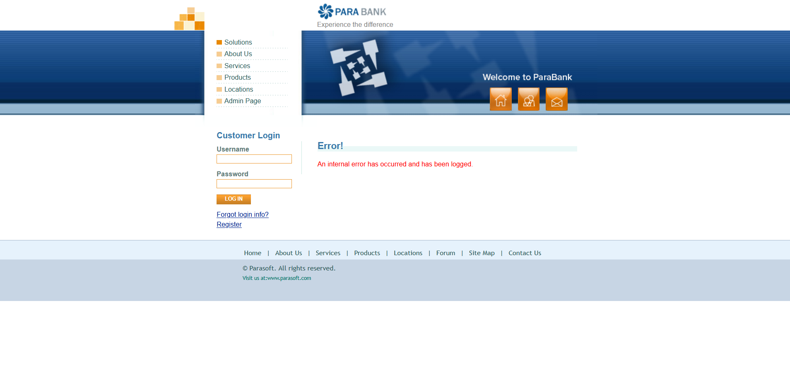 | HIGH | LOW | LOW | INPUT Validation
Req_Log In_US1 | TC_045 | Bug_ParaBank_29 | Verify Login with Valid Username and Password | 1. connect to internet network connection 2. open chrome 3. open parabank website 4. website opens on login page 5. click registeration button 6. registeration page is opened | 1. Enter a valid Username . 2. Enter a valid Password. 3. Click LOG IN. | Username: "Zeyad921" Password: "Zeyad@123" | Form should accept input, and the user should be redirected to the next page or receive a success message. | 1-show message error " An internal error has occurred and has been logged. ". 2-log in failed |  | HIGH | HIGH | HIGH | INPUT Validation
Req_Transfer Funds_US2 | TC_048 | Bug_ParaBank_30 | Verify Transfer Funds With amount field with zero value | 1. connect to internet network connection 2. open chrome 3. open parabank website 4. website opens on login page 5. click registeration button 6. registeration page is opened | 1. Login. 2. Navigate to Transfer Funds. 3. Enter "0" amount value. 4. Select different accounts. 5. Click Transfer. | Amount: "0" From: "28218" To: "28219" | Error message: “An internal error has occurred and has been logged.” | 1-transfer successfully 2-transfer complete | 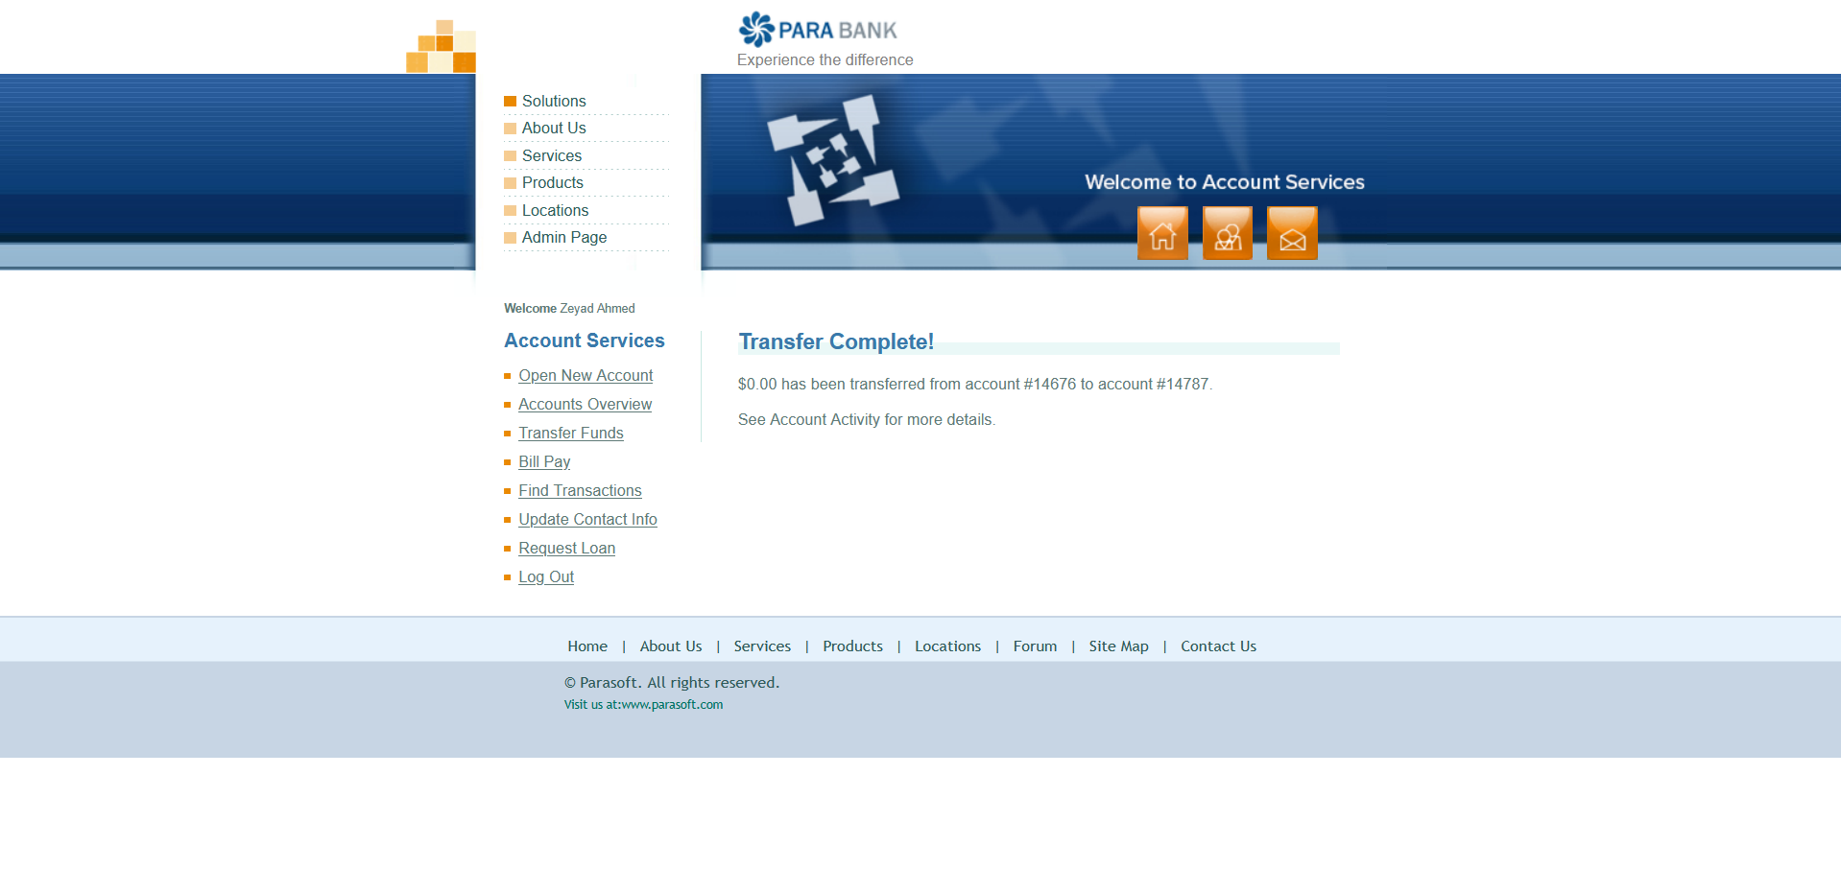 | MED | MED | MED | Business Logic
Req_Transfer Funds_US2 | TC_049 | Bug_ParaBank_31 | Verify Transfer Funds With same account selected for both | 1. connect to internet network connection 2. open chrome 3. open parabank website 4. website opens on login page 5. click registeration button 6. registeration page is opened | 1. Login. 2. Navigate to Transfer Funds. 3. Enter valid amount value. 4. Select same accounts. 5. Click Transfer. | Amount: "100 " From: "28218" To: "28218" | Error message: “An internal error has occurred and has been logged.” | 1-transfer successfully 2-transfer complete |  | HIGH | MED | MED | Business Logic
Req_TransactionHistory_004 | TC_052 | Bug_ParaBank_32 | Searching by Valid Transaction ID | 1. connect to internet network connection 2. open chrome 3. open parabank website 4. website opens on login page 5. click registeration button 6. registeration page is opened | 1.Select an account 2.Enter a valid Transaction ID 3. Click 'Find Transactions' | 1- Username :mostafashaban 2-Password :Shaban*52 3-Select an account: 14676 | Displays the transaction with the entered ID | Error! An internal error has occurred and has been logged. | 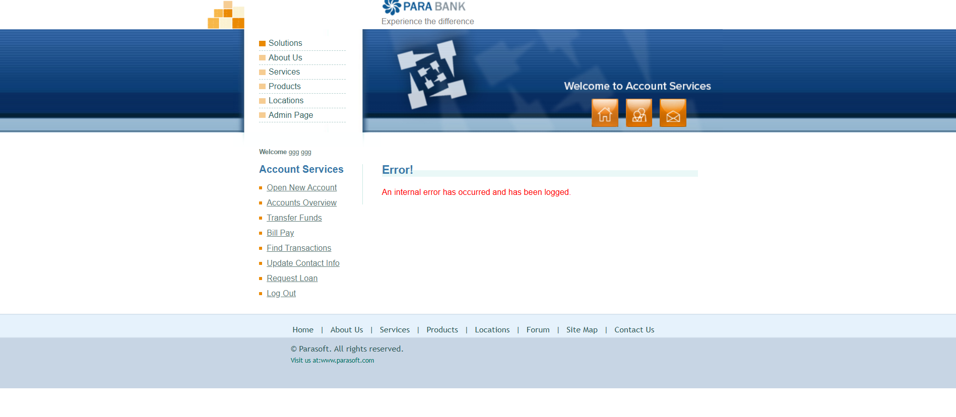 | HIGH | HIGH | HIGH | DATA Retrieval
Req_PayBill_005 | TC_061 | Bug_ParaBank_33 | Invalid Phone Number Format | 1. connect to internet network connection 2. open chrome 3. open parabank website 4. website opens on login page 5. click registeration button 6. registeration page is opened | 1. Log in with vaild username and password 2. Go to 'Bill Pay' 3. Enter invalid phone 4. Fill other fields 5. Click 'Send Payment' | 1- Username :mostafashaban 2-Password :Shaban*52 3-Payee Name: Mostafa Shaban 4-Address: egeg 5-City: obour 6-State: 122 7-Zip Code: 05 8-Phone : 11225545749 9-Account #: 14676 10-Verify Account #: 14676 11-Amount: $ 200 12-From account #: 14676 | Error message: Invalid phone format | Bill Payment to Mostafa Shaban in the amount of $200.00 from account 14676 was successful. | 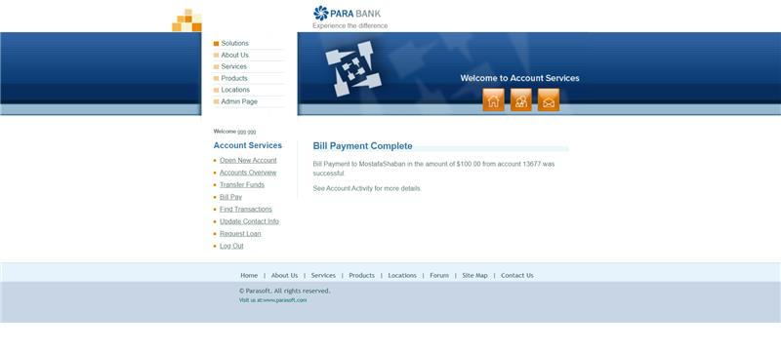 | HIGH | MED | MED | INPUT Validation

